02-03
DATA |  | PYTHON CODE

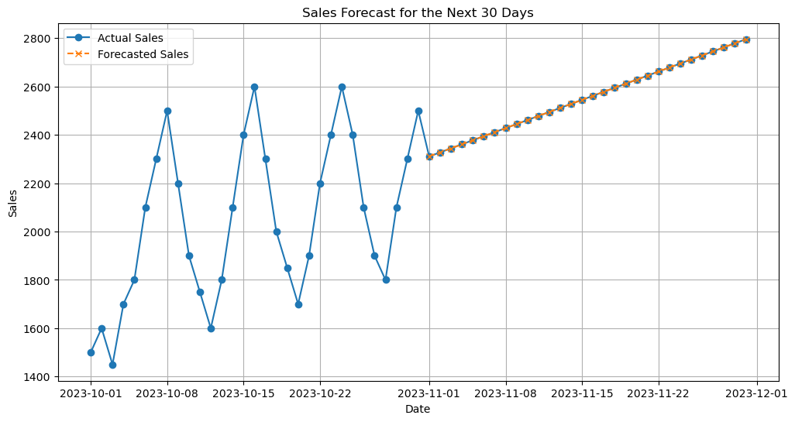
date | sales_today
2023-10-01 | 1500
2023-10-02 | 1600
2023-10-03 | 1450
2023-10-04 | 1700
2023-10-05 | 1800
2023-10-06 | 2100
2023-10-07 | 2300
2023-10-08 | 2500
2023-10-09 | 2200
2023-10-10 | 1900
2023-10-11 | 1750
2023-10-12 | 1600
2023-10-13 | 1800
2023-10-14 | 2100
2023-10-15 | 2400
2023-10-16 | 2600
2023-10-17 | 2300
2023-10-18 | 2000
2023-10-19 | 1850
2023-10-20 | 1700
2023-10-21 | 1900
2023-10-22 | 2200
2023-10-23 | 2400
2023-10-24 | 2600
2023-10-25 | 2400
2023-10-26 | 2100
2023-10-27 | 1900
2023-10-28 | 1800
2023-10-29 | 2100
2023-10-30 | 2300
2023-10-31 | 2500

02-04
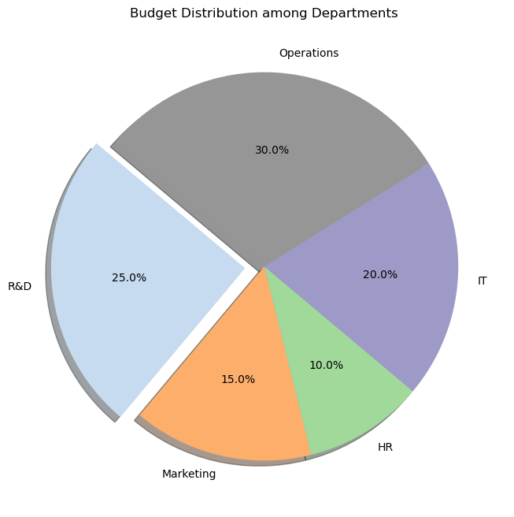
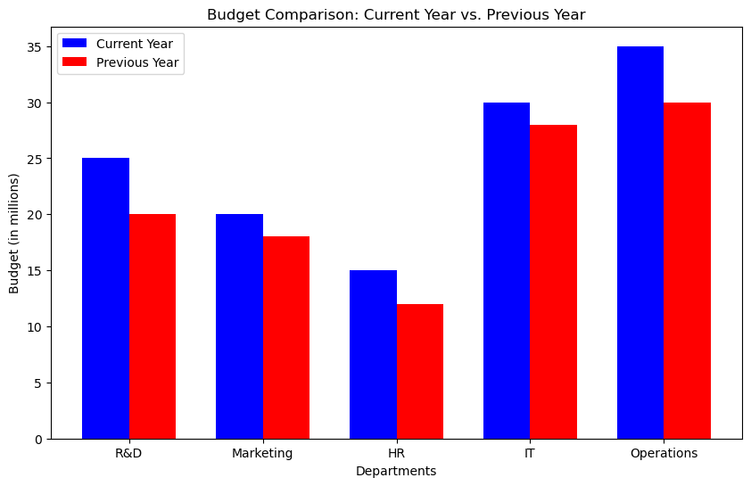

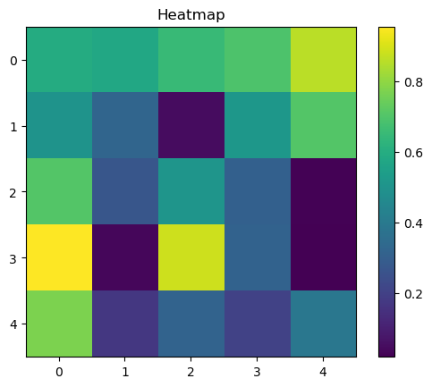

02-05
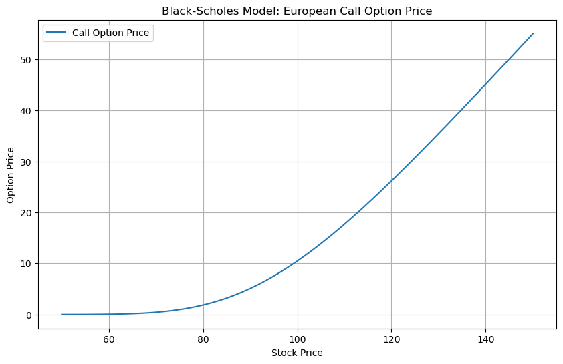
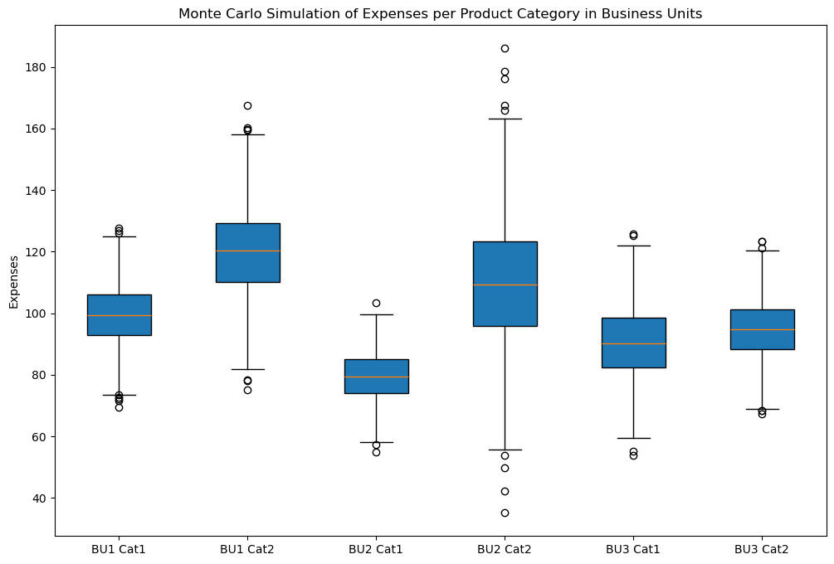

04-01
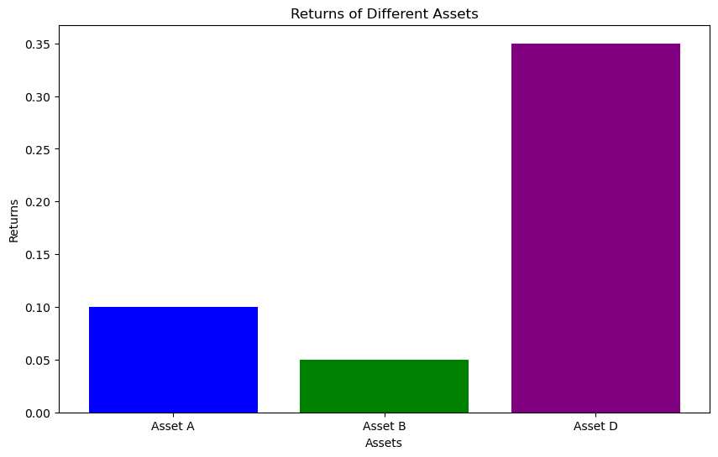

04-02
